Sheet1
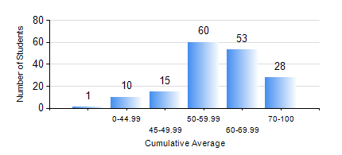
 |  |  | KWAME NKRUMAH UNIVERSITY OF SCIENCE AND TECHNOLOGY, KUMASI Department of Telecommunication Engineering

 |  |  | BSC. TELECOMMUNICATION ENG.

 |  |  | COMPREHENSIVE RECORD OF EXAMINATION RESULTS

 |  |  | RESULTS OF YEAR 1 FIRST SEMESTER, 2021/2022 ACADEMIC YEAR

 | Sn | Course Code |  | Course Name | Credit Hours | Min. Mark | Max. Mark | Avg. Mark | Std. Dev. | No. Passed | No. Trailed | No. (Df) | No. (I) | No. (I*) | No. Tagged(I,I*,Df) | Total
 | 0. |  |  |  |  |  |  | 0 | 0 | 0 | 0 | 0 | 0 | 0 | 0 | 1
 | 1. | CE 155 |  | ENVIRONMENTAL STUDIES | 2 | 0 | 79 | 56 | 9.91 | 162 | 3 | 0 | 1 | 0 | 1 | 166
 | 2. | EE 151 |  | APPLIED ELECTRICITY | 3 | 0 | 87 | 57 | 14.23 | 151 | 13 | 0 | 2 | 0 | 2 | 166
 | 3. | EE 153 |  | ENGINEERING TECHNOLOGY | 2 | 0 | 93 | 76 | 13.83 | 161 | 4 | 0 | 1 | 0 | 1 | 166
 | 4. | ENGL 157 |  | COMMUNICATION SKILLS I | 2 | 0 | 80 | 57 | 11.11 | 162 | 3 | 0 | 1 | 0 | 1 | 166
 | 5. | MATH 151 |  | ALGEBRA | 4 | 0 | 89 | 56 | 13.61 | 163 | 2 | 0 | 1 | 0 | 1 | 166
 | 6. | ME 159 |  | TECHNICAL DRAWING | 2 | 0 | 91 | 64 | 19.88 | 152 | 13 | 0 | 1 | 0 | 1 | 166
 | 7. | ME 161 |  | BASIC MECHANICS | 3 | 0 | 92 | 57 | 13.72 | 161 | 4 | 0 | 1 | 0 | 1 | 166

